Log-In
Project Name : | Health Plus
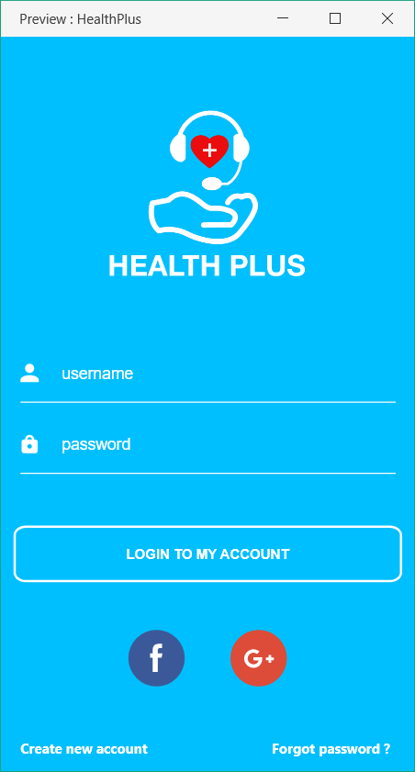

Test Case ID: | Log-In1 |  |  | Test Design by: | Nanda Aung
Test Priority: | Normal |  |  | Test Design Date: | 2017-10-18
Module Name: | Log in |  |  | Test Executed by:
Test Title: | Testing the log in page |  |  | Test Execution Date:
Description:

Pre-Conditions: | open the app
Dependencies:

Step | Test Steps | Test Data | Expected results | Actual results | Status | Notes
1 | Click Log in | Username: Password: | Log in
2 | Click Log in | Username: Password: | Log in fail
3 | Click Log in | Username: Password: | Log in fail
4 | Click Log in | Username: Password: | Log in fail
5 | Click Log in | Username: Password: | Log in fail
6 | Click Log in | Username: Password: | Log in fail
7 | Click Facebook Logo |  | enable the user to log in with Facebook
8 | Click Google Logo |  | enable the user to log in with Google
9 | Click Create New Account |  | enable the user to create new account
10 | Click Forgot Password |  | enable the user to reset password

Home
Project Name : | Health Plus

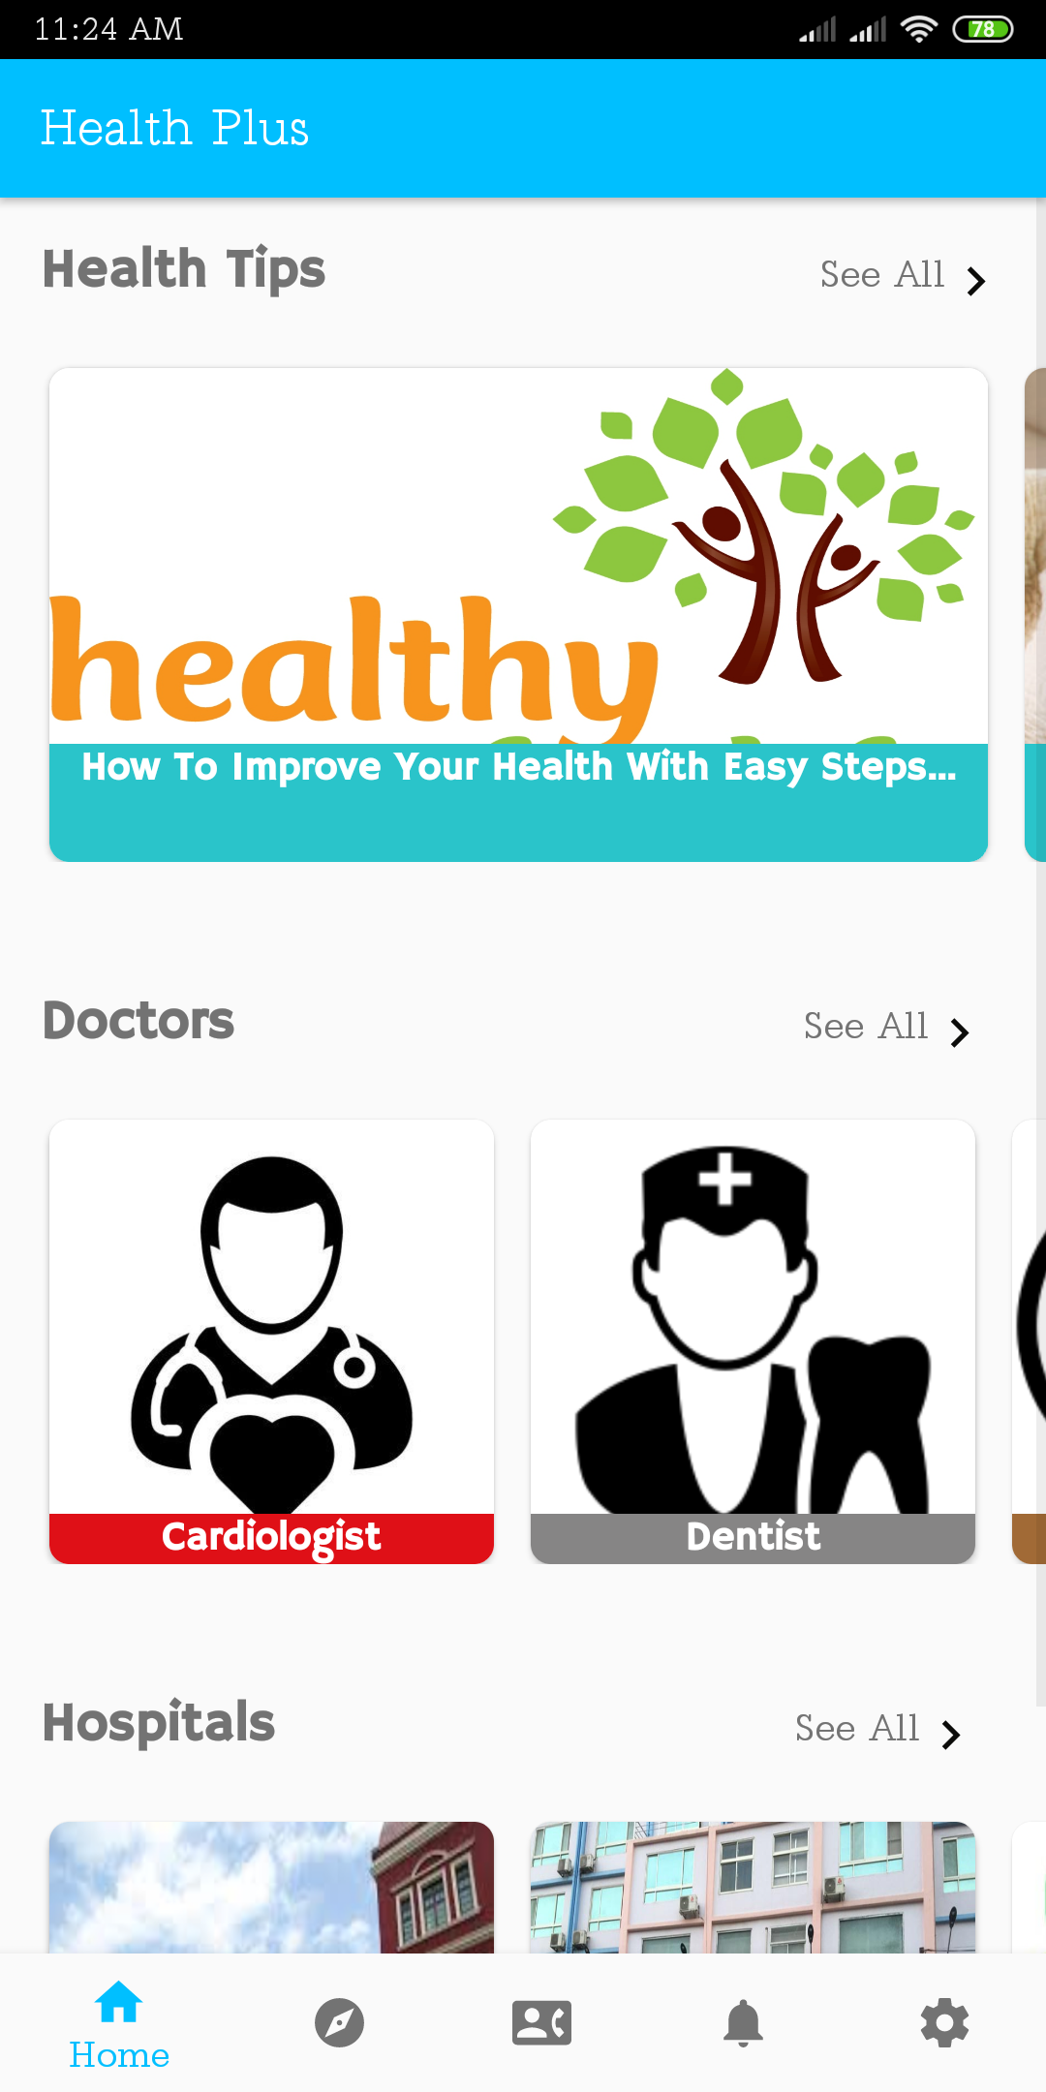

Test Case ID: | Home_1 |  |  | Test Design by: | Nanda Aung
Test Priority: | Normal |  |  | Test Design Date: | 2017-10-18
Module Name: | Home |  |  | Test Executed by:
Test Title: | Testing the home page |  |  | Test Execution Date:
Description:

Pre-Conditions: | open the app and sign-in.
Dependencies:

Step | Test Steps | Test Data | Expected results | Actual results | Status | Notes
1 | Click a health tip |  | leads you to health tip details
2 | Click see all above the health tip row |  | show all health tips
3 | Click a doctor |  | leads you to the doctor details
4 | Click see all above the doctor row |  | show all doctors
5 | Click a hospital |  | leads you to hospital details
6 | Click see all above the hospital row |  | show all hospitals

Contact
Project Name : | Health Plus

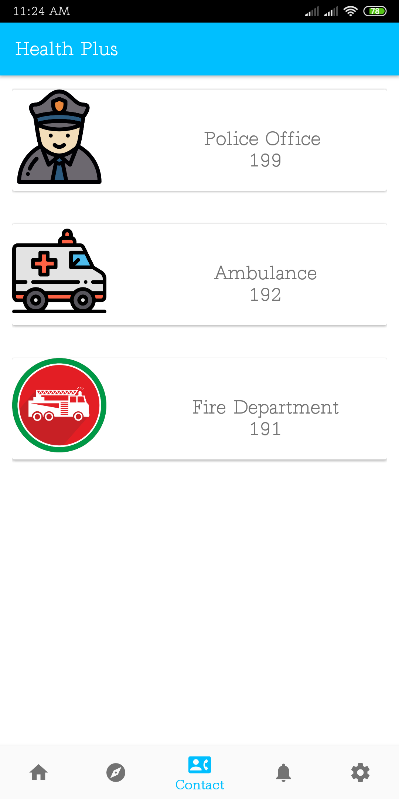

Test Case ID: | Contact_1 |  |  | Test Design by: | Nanda Aung
Test Priority: | Normal |  |  | Test Design Date: | 2017-10-18
Module Name: | Contact |  |  | Test Executed by:
Test Title: | Testing the Contact page |  |  | Test Execution Date:
Description:

Pre-Conditions: | open the app, log in and go to contact page
Dependencies:

Step | Test Steps | Test Data | Expected results | Actual results | Status | Notes
1
2
3
4
5
6
7
8
9
10

Setting
Project Name : | Health Plus

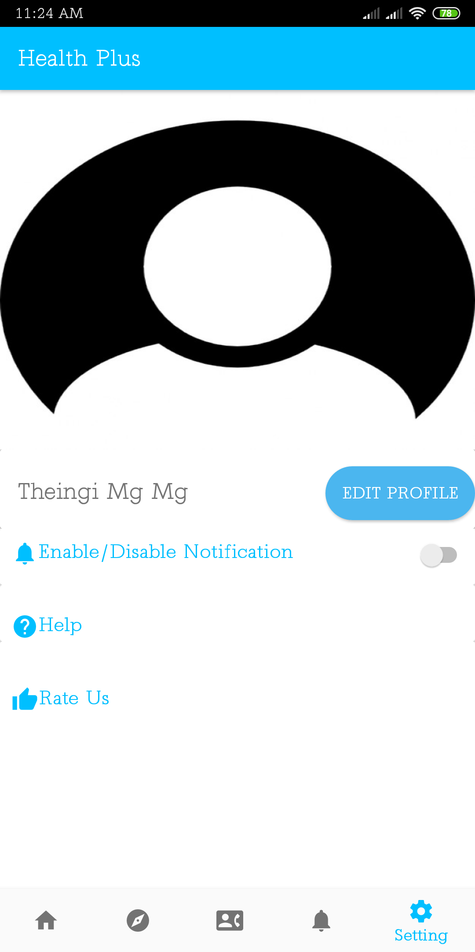

Test Case ID: | Setting_1 |  |  | Test Design by: | Nanda Aung
Test Priority: | Normal |  |  | Test Design Date: | 2017-10-18
Module Name: | Setting |  |  | Test Executed by:
Test Title: | Testing the setting page |  |  | Test Execution Date:
Description:

Pre-Conditions: | open the app and sign-in. click the setting icon on navigation page
Dependencies:

Step | Test Steps | Test Data | Expected results | Actual results | Status | Notes
1 | Click edit profile |  | leads you to a page to edit your profile
2 | Click enable/ disable notification |  | enable the user to edit full name
3 | Click help |  | shows user any help for the software
4 | Click rate us |  | enable users to rate the app

